Sheet1
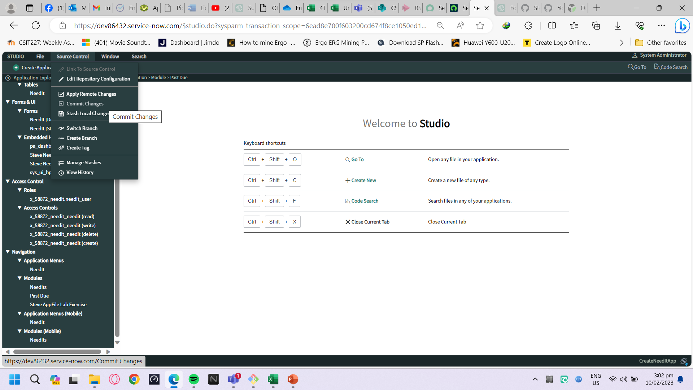
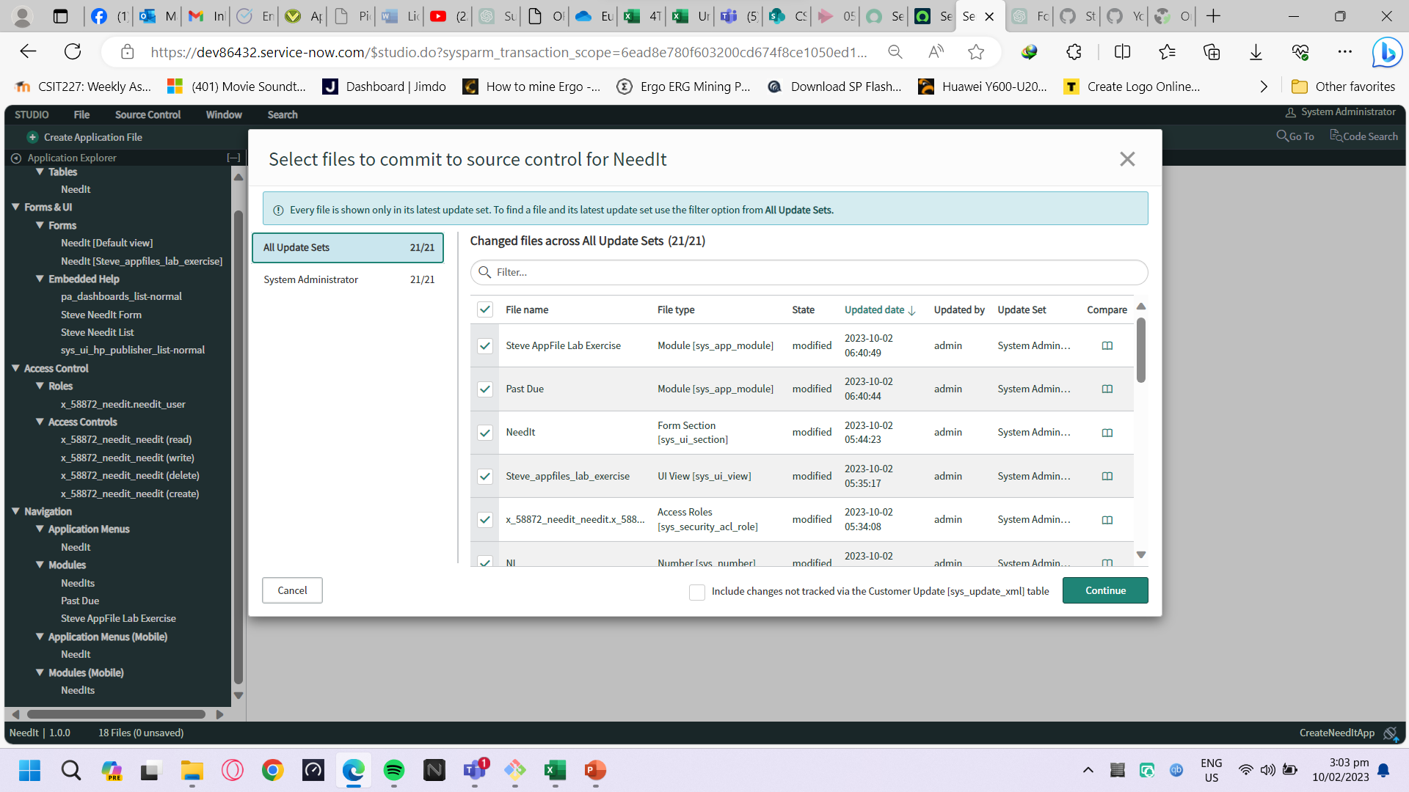
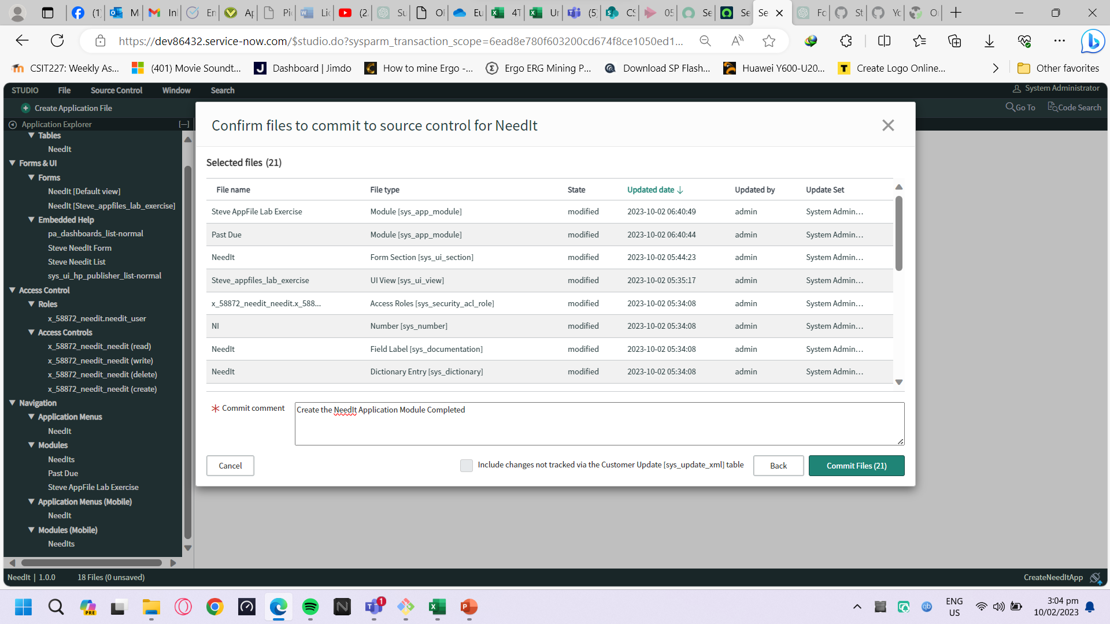
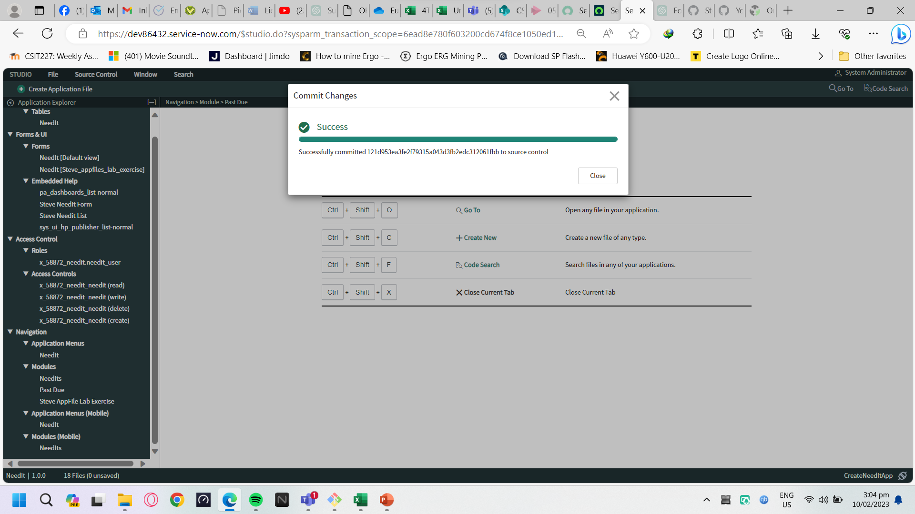
Name: | Steve Wilben R. Saceda |  | Exercise/Laboratory: | Exercise Commit Files
Block/Section: | G2 |  | Date: | September 29, 2023
Github Repository Link: |  | https://github.com/Steve-Saceda/needit-utah

